Payment Method
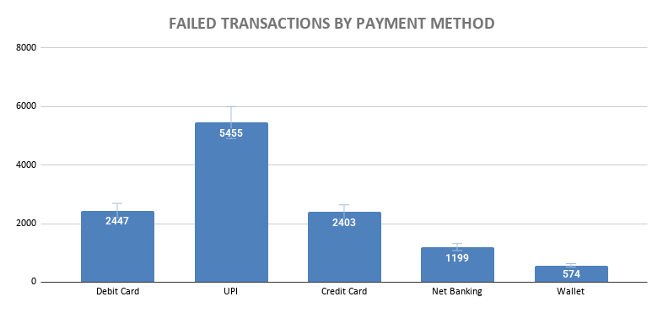
payment_method | total_transactions | failed_transactions | failure_rate
Debit Card | 20146 | 2447 | 12.15
UPI | 44978 | 5455 | 12.13
Credit Card | 19929 | 2403 | 12.06
Net Banking | 9985 | 1199 | 12.01
Wallet | 4962 | 574 | 11.57

FAILURE RATE BY PAYMENT METHOD

Bank Analysis
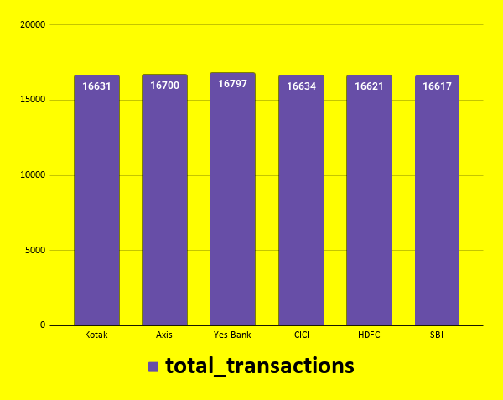
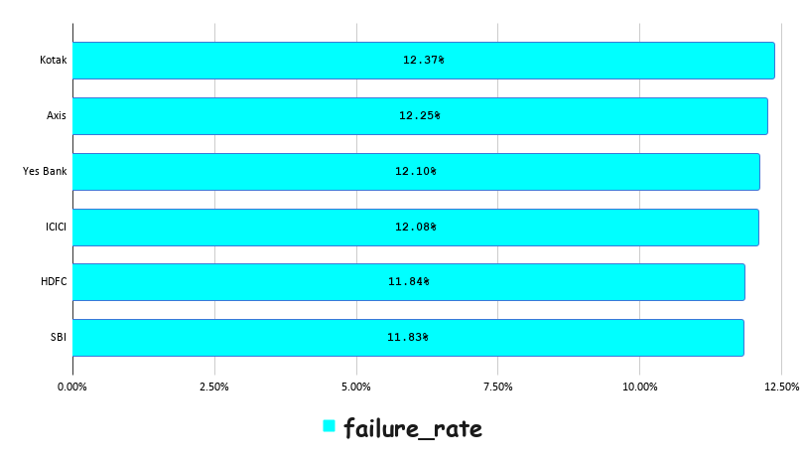
bank | total_transactions | failed_transactions | failure_rate
Kotak | 16631 | 2057 | 12.37%
Axis | 16700 | 2045 | 12.25%
Yes Bank | 16797 | 2033 | 12.10%
ICICI | 16634 | 2010 | 12.08%
HDFC | 16621 | 1968 | 11.84%
SBI | 16617 | 1965 | 11.83%

Failure Reasons
failure_reason | failed_transactions
Network Timeout | 1743
Invalid Card | 1735
Insufficient Funds | 1731
Technical Error | 1726
Fraud Suspected | 1723
Bank Server Down | 1714
Transaction Limit Exceeded | 1706
FAILURE REASONS

Monthly Trend
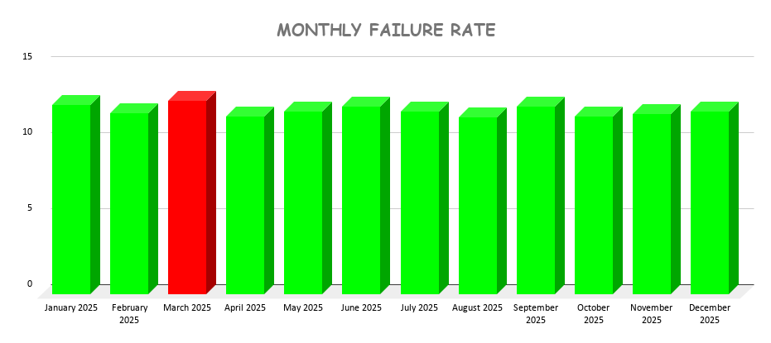
month | month & year | total_transactions | failed_transactions | failure_rate
2025-01 | January 2025 | 8571 | 1069 | 12.47
2025-02 | February 2025 | 7577 | 903 | 11.92
2025-03 | March 2025 | 8515 | 1084 | 12.73
2025-04 | April 2025 | 8080 | 946 | 11.71
2025-05 | May 2025 | 8528 | 1027 | 12.04
2025-06 | June 2025 | 8256 | 1021 | 12.37
2025-07 | July 2025 | 8526 | 1026 | 12.03
2025-08 | August 2025 | 8590 | 1001 | 11.65
2025-09 | September 2025 | 8269 | 1021 | 12.35
2025-10 | October 2025 | 8655 | 1013 | 11.7
2025-11 | November 2025 | 8216 | 978 | 11.9
2025-12 | December 2025 | 8217 | 989 | 12.04

City Analysis
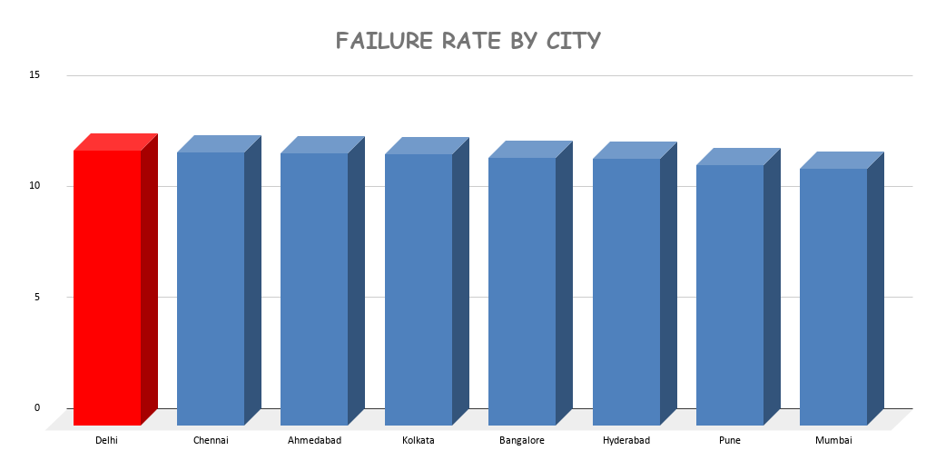
city | total_transactions | failure_rate
Delhi | 12557 | 12.38
Chennai | 12479 | 12.32
Ahmedabad | 12399 | 12.28
Kolkata | 12298 | 12.21
Bangalore | 12704 | 12.07
Hyderabad | 12358 | 12.02
Pune | 12577 | 11.75
Mumbai | 12628 | 11.59

Merchant Analysis
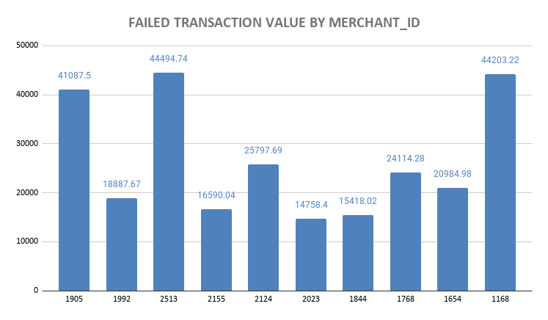
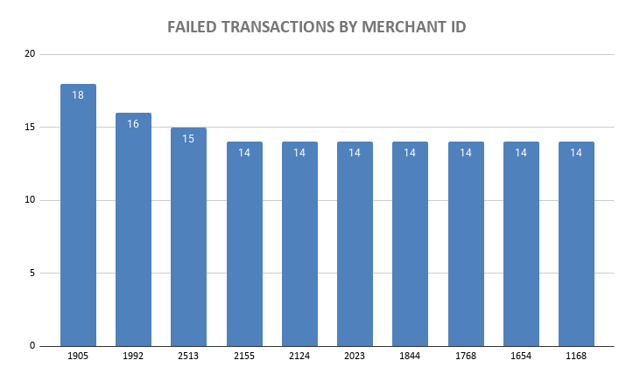
merchant_id | failed_transactions | failed_transaction_value
1905 | 18 | 41087.5
1992 | 16 | 18887.67
2513 | 15 | 44494.74
2155 | 14 | 16590.04
2124 | 14 | 25797.69
2023 | 14 | 14758.4
1844 | 14 | 15418.02
1768 | 14 | 24114.28
1654 | 14 | 20984.98
1168 | 14 | 44203.22

Device Analysis
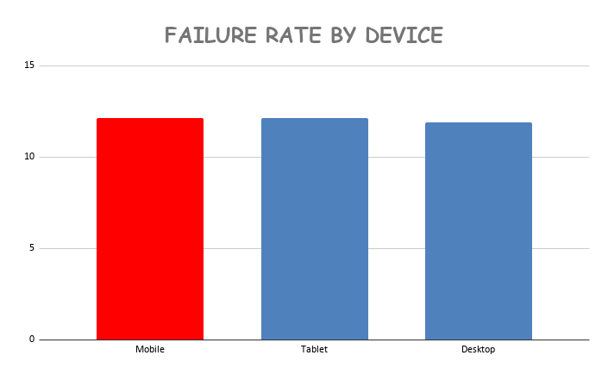
device | total_transactions | failure_rate
Mobile | 70037 | 12.14
Tablet | 5062 | 12.11
Desktop | 24901 | 11.9

Card Analysis
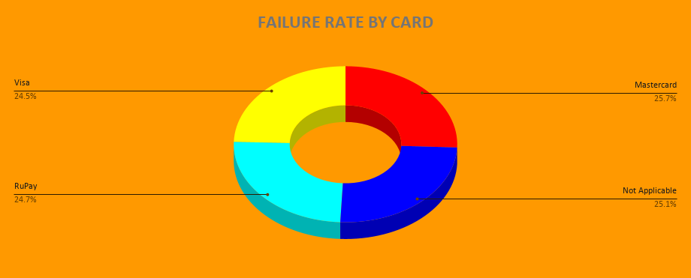
card_type | total_transactions | failure_rate
Mastercard | 25170 | 12.39
Not Applicable | 24931 | 12.12
RuPay | 24915 | 11.95
Visa | 24984 | 11.84

Hourly Analysis
hour | total_transactions | failure_rate
12 | 4119 | 13.18
10 | 4157 | 13.16
06 | 4063 | 12.48
22 | 4081 | 12.42
18 | 4059 | 12.27
05 | 4205 | 12.25
07 | 4121 | 12.21
09 | 4144 | 12.19
08 | 4160 | 12.16
04 | 4206 | 12.15
13 | 4126 | 12.14
17 | 4275 | 12.09
23 | 4279 | 12.04
15 | 4251 | 12.04
16 | 4086 | 11.94
14 | 4197 | 11.94
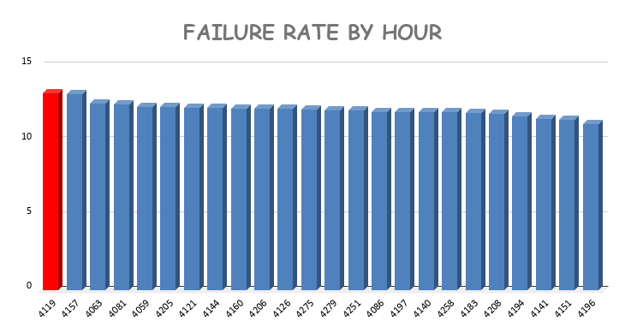
20 | 4140 | 11.93
02 | 4258 | 11.91
03 | 4183 | 11.88
00 | 4208 | 11.79
21 | 4194 | 11.66
11 | 4141 | 11.49
19 | 4151 | 11.44
01 | 4196 | 11.15

-

DASHBOARD
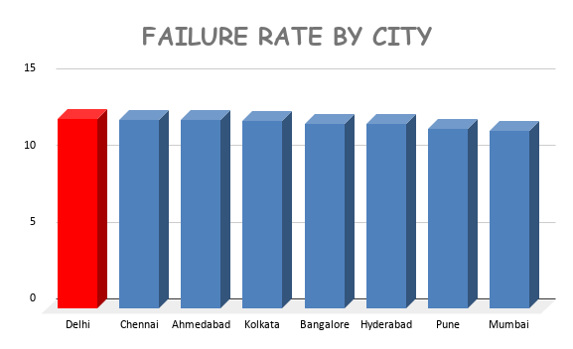
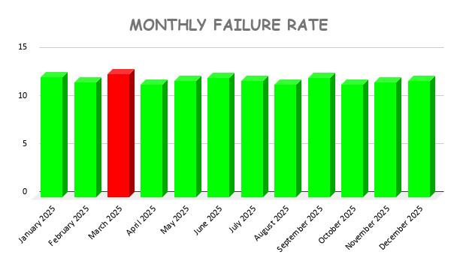

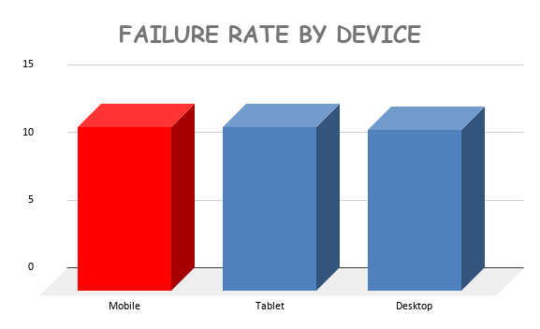
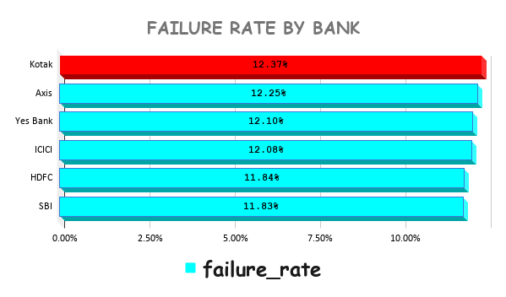
TRANSACTION FAILURE BY PAYMENT METHOD

